Appraisal Ratio
Date | RBLX | S&P 500 | Stock Monthly Returns | Market Monthly Returns | Excess Returns
2021-04-01 | 74.55 | 4181.17
2021-05-01 | 93.77 | 4204.11 | 25.78% | 0.55% | 25.23%
2021-06-01 | 89.98 | 4297.50 | -4.04% | 2.22% | -6.26%
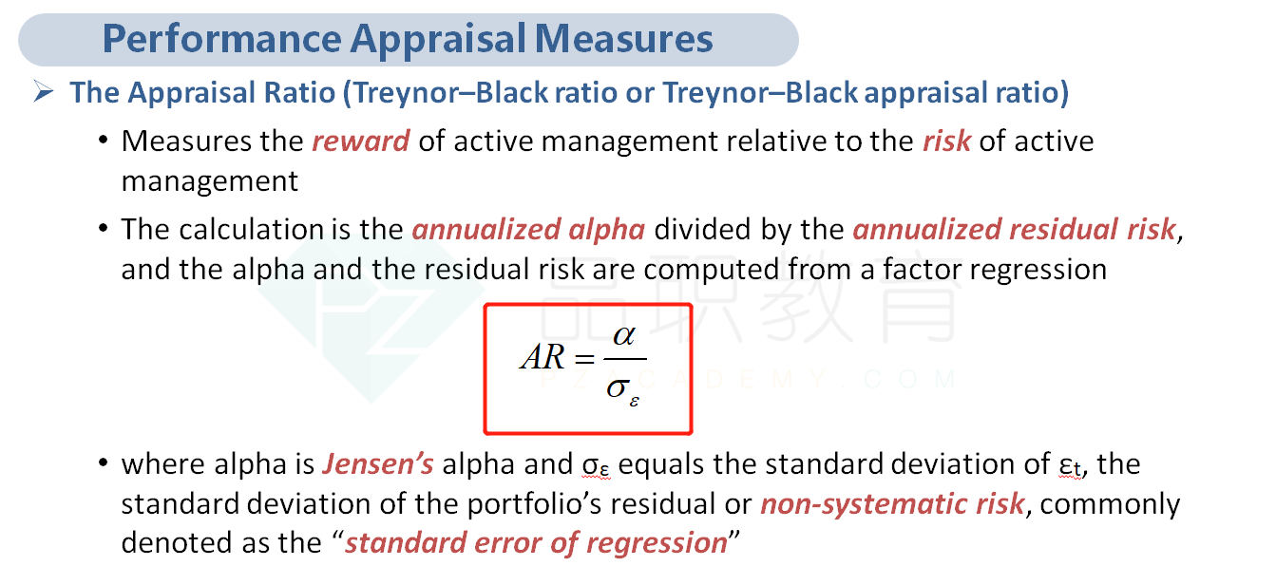
2021-07-01 | 76.98 | 4395.26 | -14.45% | 2.27% | -16.72%
2021-08-01 | 82.05 | 4522.68 | 6.59% | 2.90% | 3.69%
2021-09-01 | 75.55 | 4307.54 | -7.92% | -4.76% | -3.17%
2021-10-01 | 84.02 | 4605.38 | 11.21% | 6.91% | 4.30%
2021-11-01 | 126.10 | 4567.00 | 50.08% | -0.83% | 50.92%
2021-12-01 | 103.16 | 4766.18 | -18.19% | 4.36% | -22.55%
2022-01-01 | 65.86 | 4515.55 | -36.16% | -5.26% | -30.90%
2022-02-01 | 51.57 | 4373.94 | -21.70% | -3.14% | -18.56%
2022-03-01 | 46.24 | 4530.41 | -10.34% | 3.58% | -13.91%
2022-04-01 | 30.65 | 4131.93 | -33.72% | -8.80% | -24.92%
2022-05-01 | 29.94 | 4132.15 | -2.32% | 0.01% | -2.32%
2022-06-01 | 32.86 | 3785.38 | 9.75% | -8.39% | 18.14%
2022-07-01 | 42.93 | 4130.29 | 30.65% | 9.11% | 21.53%
2022-08-01 | 39.11 | 3955.00 | -8.90% | -4.24% | -4.65%
2022-09-01 | 35.84 | 3585.62 | -8.36% | -9.34% | 0.98%
2022-10-01 | 44.74 | 3871.98 | 24.83% | 7.99% | 16.85%
2022-11-01 | 31.77 | 4080.11 | -28.99% | 5.38% | -34.37%
2022-12-01 | 28.46 | 3839.50 | -10.42% | -5.90% | -4.52%
2023-01-01 | 33.41 | 3972.61 | 17.39% | 3.47% | 13.93%

Tracking Error | 0.2083
Average Excess Returns | -0.0130
Appraisal Ratio | -0.0624

